Sheet1
Team Name | Photour |  | 1 | no
Member 1 | Zer Jun Eng (acb16zje, zjeng1@sheffield.ac.uk) |  | 2 | a little bit
Member 2 | Jia Hua Ng (acb16jhn, jhng1@sheffield.ac.uk) |  | 3 | fair
 |  |  | 4 | quite good
 |  |  | 5 | perfect

What | What We Evaluate | Insert your value in the drop down cells (1- low, 2 - a little bit, 3 fair, 4 - quite good, 5 - high) | Comments
Quality of Code
 | Compilable & Executable. We must be able to run your code without any problems on standard lab computers and using standard emulators. All libraries must be included or properly linked via Gradle | 5 | Tested on Windows 10, Java JDK 1.8 (standard lab machine): • Android Studio 3.5.1 • Android Studio 3.5.2 • Android Studio 3.5.3 Tested on emulators: • Pixel XL API 23 (Android Marshmallow, 6.0) • Pixel XL API 27 (Android Oreo, 8.1) • Pixel XL API 28 (Android Pie, 9) • Pixel XL API 29 (Android Q, 10) Tested on real devices: • Huawei Honor 10 (COL-L29, Android Pie, 9) • OnePlus 5 (Android Pie, 9) • Kindle Fire HD 10 (Android Pie, 9)
 | Code style, naming, format (consistent format regarding class and variable naming as well as indentation, consistent format regarding class and variable naming as well as indentation) | 5 | Code Style: • Followed Google Java Style Guide (https://google.github.io/styleguide/javaguide.html) • CamelCase for class naming and camelCase for variable naming • Consistent 2 spaces indentation • Aimed to keep methods short to ensure maintainability and prevent error-prone code • Used checkstyle (https://github.com/checkstyle/checkstyle) and PMD (https://pmd.github.io/) for checking code style
 | Exception (Proper use and handling of Exceptions in your code) | 5 | NullPointerException: • Solution: if statement to check whether a variable or a method return is null or not. If it is a null, then break the loop or return the method immediately to prevent executing the further code below FileNotFoundException: • Likely to happen when trying to load the photos. If the user deliberately renames the file name of the photo taken in our application, then there will be a mismatch between the database record and the actual file path. In this case, FileNotFoundException will occur. • Solution: Whenever a FileNotFoundException is thrown, then display a placeholder image (1px square gray image). ArrayIndexOutOfBoundsException: • Unlikely to happen as arrays are only used in data passing and data convertion between Room and Model • Solution: Check array length before accessing the array IllegalStateException: • Extreme rare case, possible to happen when the user navigate too quickly away from the previous fragment, and the previous fragment is still trying to access the View object after the onDestroy() has been called • Solution: try / catch block around the every code that interacts directly with the View object CancellationException, ExecutionException, InterruptedException, TimeoutException • Callable (https://developer.android.com/reference/java/util/concurrent/Callable) and Future (https://developer.android.com/reference/java/util/concurrent/Future) are used to perform asynchronous operations on the database (e.g. inserting, updating, or deleting a row) • Solution: When an exception is caught, a Toast will be shown on the interface to inform the user that the operation has failed. No data changes will be made in the case of operation failure.

 | Code Organization (e.g. use of Java packages – dcs.shef.ac.uk.com4280.net, distribution of directories etc). | 5 | Java files: • converter (TypeConverter class to use for Room types conversion) • database (DAO, Repository and Database classes) • helper (Helper class to simplify code and enable reuse of methods) • model (Model classes used as tables and queries for database) • sensor (Sensor class for Accelerometer, Barometer, and AmbientSensor) • service (Foreground Service) • task (AsyncTask files) • ui • about (Fragment and ViewModel for About view) • photo (Fragment and ViewModel for Photo view and Photo Zoom view) • photos (Fragment, ViewModel, and RecyclerView Adapter for Photos view) • settings (Fragment for Settings view) • visit (Fragment, ViewModel, and RecyclerView Adapter for Visit view) • visitnew (Fragment, and ViewModel for New Visit view and Start Visit view) • visits (Fragment, ViewModel, and RecyclerView Adapter for Visits view) • BottomNavExtension.java (Extension class to allow persistence with bottomNavView) • MainActivity.java (The only Activity of the application) Resource files: • drawable (All drawables XML resources) • layout (All layout resources) • menu (Options menu) • mipmap (Launcher assets) • navigation (Navigation component XML) • raw (Raw images) • values (store the values for the resources including color, styles, dimensions etc.) • xml (For PreferenceScreen layout)

Code: Details
Querying: |  |  | Required note: how did you implement the separation of concerns between interface, sensors and database? Describe the details of your model: have you implemented the MVVM model? How did you implement it? In what way the model is correctly implemented? Add a diagram if necessary
General Planning and Code Organisation | Separation of concerns | 5 | In the implementation, classes are aimed to follow the Single Responsibility Principle. Each class should be independent, and only responsible for a single task. Duplicated code between multiple classes will be delegated into a helper class (see Code Organisation section above). This practice will allow the code to be reuseable and less error-prone. The object-oriented design principle of Java is also used. For example, the Barometer.java and AmbientSensor.java shares the same code for monitoring the sensor value. Therefore, a parent class called EnvironmentSensor.java can be created and Barometer.java and AmbientSensor.java can extend EnvironmentSensor.java to be the child class. In many cases, an interface will need to be created to act as a listener for events (success event, failure event etc.). For example, all three NewVisitFragment, PhotosFragment, and VisitsFragment need to request permissions. Therefore, the PermissionHelper.java is created to handle the boilerplate code for permission request. Then, an interface can be attached to the boilerplate code as a listener to allow different actions to be perform on different events (e.g. permission granted, permission denied, permission never ask again) | 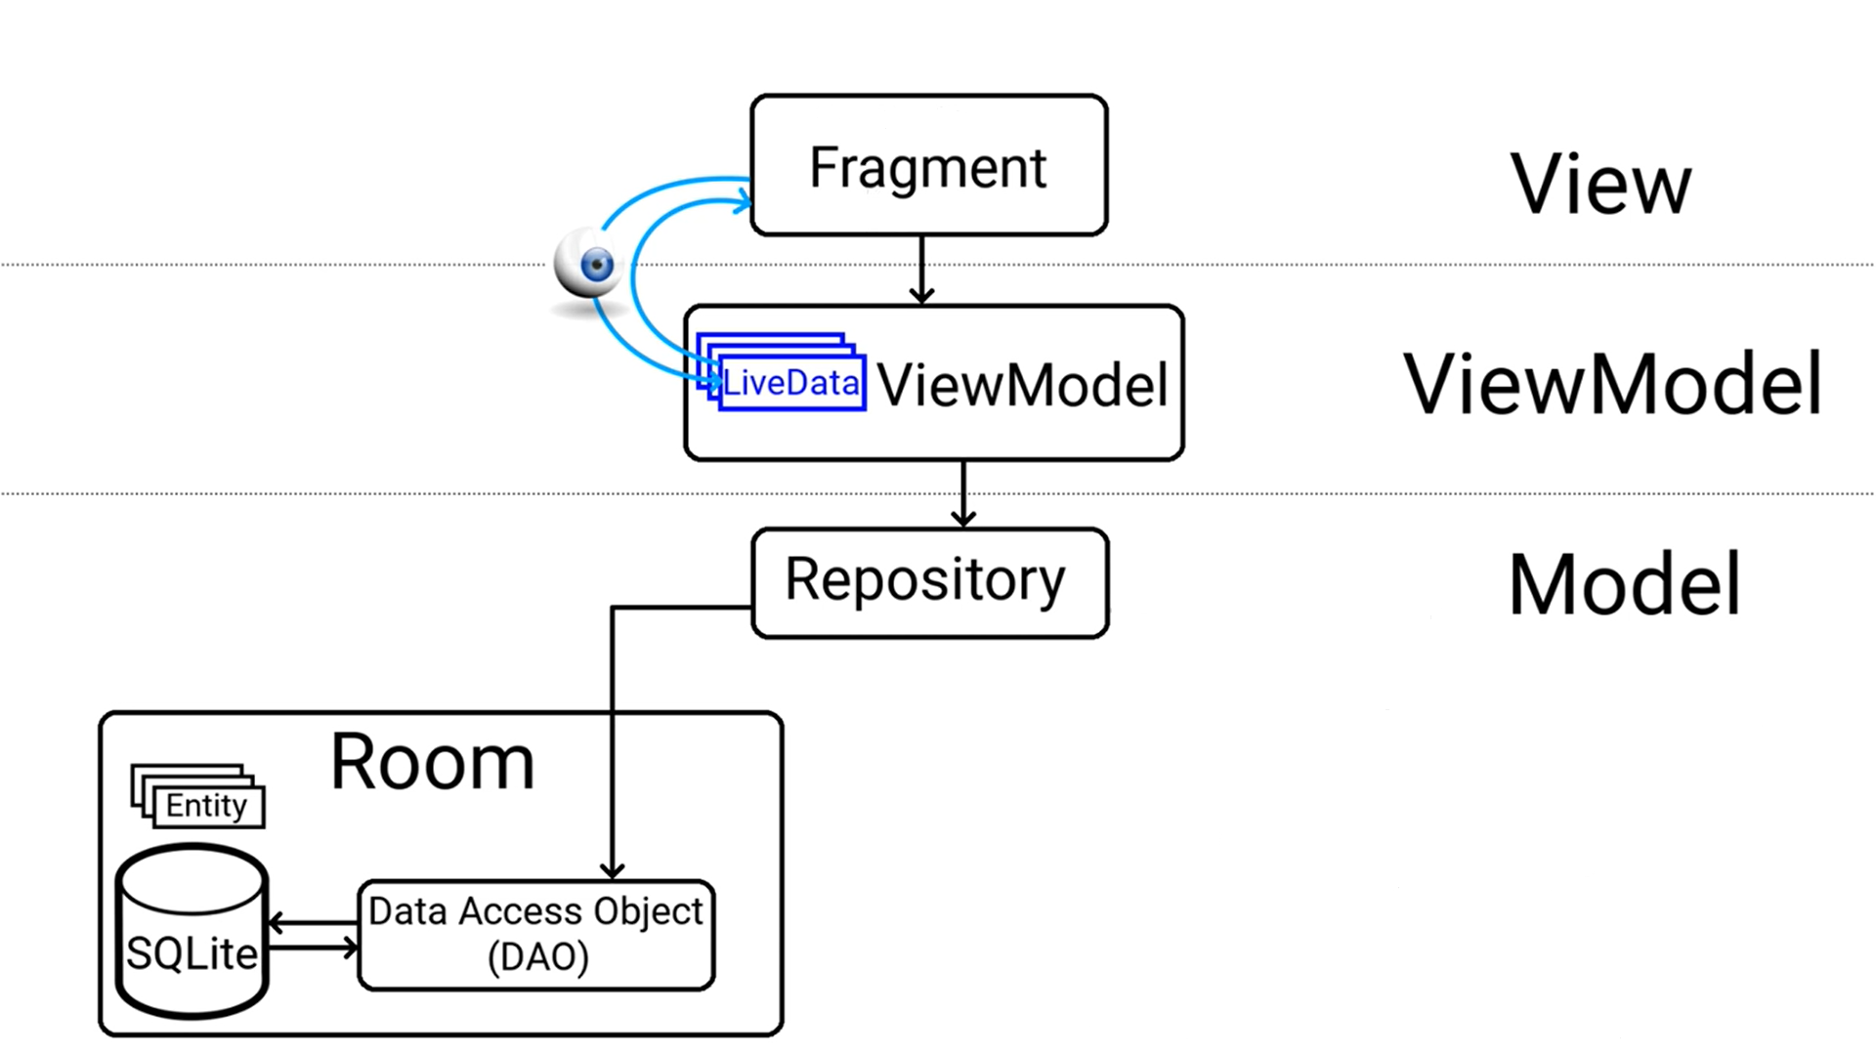
 | Use of MVVM model | 5 | The only views that do not have a ViewModel are the SettingsFragment, AboutFragment and PhotoFragment. These views are only showing static content, and do not need to have any interaction with the Repository. All views that are dynamic are implemented with MVVM. Fragments are only responsible for handling the UI, with observers to observe the LiveData in ViewModels. ViewModels are responsible for setting the value of LiveData with the value retrieved from Models. The Models consists of the Model class (i.e. the entity), Repository, and DAO. The entity is responsible for defining the table structure of the SQLite database. The DAO is responsible for executing the SQL commands (e.g. SELECT * FROM photos, through @Query annotation), and the Repository responsible for retrieving data from database and passing it to ViewModel. (see the diagram on the right) The application uses LiveData / MutableLiveData in multiple places: 1. Usage of MutableLiveData to observe changes of sensor readings during a new visit 2. Usage of MutableLiveData to monitor the changes of current user location during a new visit 3. Usage of LiveData to observe the visit title after the user edited it 4. Usage of LiveData to observe the list of visits retrieved from database. Hence, if the user deletes a visit, the list is automatically updated 5. And other usage in less significant places

1.1. 1. Taking photos | Ability to take pictures with the camera and upload existing pictures | 5 | When user starts a new visit, the user will be able to upload or take photos on the trip by clicking their relative floating action buttons. When the user presses the buttons, the user will either: • Sent to the default gallery to choose an image (see Screenshots/New Visit/select_image.png) • Sent to the default camera to take a photo. Once an image is taken, the user can either accept the image or cancel it to retake the image (see Screenshots/New Visit/camera.png)
 | if the phone does not have a camera, only picture uploading must be available | 5 | In the event where user does not have a camera on their phone, the user will not see the floating action button to use the camera on the new visit view. User will still be able to insert images into the trip by uploading through the gallery. (see Screenshots/New Visit/no_camera.png)

1.1.2 Capturing a visit | Tracking of a visit (path) is started and stopped by the user | 5 | User is able to press a "Start" button at the New Visit page to initiate a new visit. The user is then able to walk around, add or capture photos. When the user wants to stop the tracking, they will be able to press "Stop" button on the page, which will prompt them a dialog if they sure they want to quit. If the user confirms, the visit will be saved and user is returned to the New Visit page. (see Screenshots/New Visit/polyline.png)
 | Date and time captured automatically when the activity is started | 5 | The current date and time is shown on new visit view (see Screenshots/New Visit/new_visit_light.png). When a new visit is started, the user is able to view the time elapsed for the the visit through a chronometer when the tracking is ongoing. When the visit is completed, the visit date and time will be saved and can be viewed in the Visits page. The time taken can also be viewed by pressing into the visit to inspect its details.
 | A title can be associated to the visit | 5 | User will be able to type in a title before pressing "Start" button to initiate the visit. If no title is specified by the user, then the title of the new visit is set to "Untitled visit" by default. (see Screenshots/New Visit/new_visit_light.png)
 | The tracking is implemented as a service tracking geolocation (gps coordinates), temperature and barometric pressure every 20 seconds | 5 | Location tracking: The tracking of the system is done using foreground service. The fragment uses a LiveData to observe the current location. The service then periodically obtains location updates from FusedLocationProviderClient and set the value of current location. LiveData will observe the changes automatically and animate the camera of the map to the current location. In addition, to prevent the application from receiving too many location updates in a short period, setFastestInterval() and setSmallestDisplacement() is used. The latter will set the minimum displacement between location updates in meters. This can minimise the footprint of the application in background by not receiving any location updates when the user is not moving. Sensor tracking: N.B. The value of sensors is only tracked while the application is in the foreground. This is because the user is unable to take or upload any pictures when the app is in the background or swiped away, hence, it has no real benefits of monitoring the sensors reading while the app is in the background or killed (approved by Professor Fabio). LiveData is also used in monitoring the sensors reading as well. Changes are automatically reflected on the UI when a new reading has been detected. | 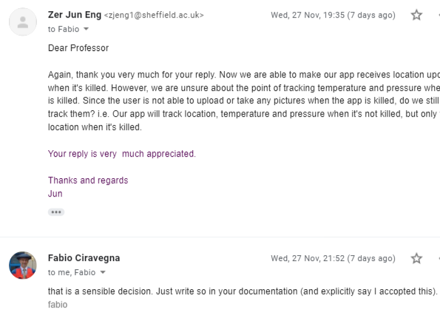
 | When the user takes a picture the location is associated to the location | 5 | The picture will be saved into a dedicated folder and then inserted into the database. The picture will also be added on to the map of the ongoing visit, where user will be able to tap the marker and view the specific photo. (see Screenshots/New Visit/adding_image.png)
 | The App shows a map when the tracking is on | 5 | The app will always show a map with the ongoing visit. User will be unable to interact with other pages until the visit has ended. This persist even when the screen turns off or the app is killed. (see Screenshots/New Visit/ongoing_visit.png)
 | the map shows the geolocated path taken up to that point | 5 | The map clearly shows the path the user has taken using a polyline. The polyline is also saved through a LatLng array that can be viewed in the visits page. (see Screenshots/New Visit/polyline.png)
 | The map shows the current position | 5 | The map shows the current location of the device as well as its facing direciton using Google Maps SDK for Android by using the FusedLocationProviderClient. (see Screenshots/New Visit/ongoing_visit.png)
 | The map shows the locations of the pictures taken during the trip | 5 | The map shows the locations of the pictures taken in the form of markers, which can be tapped to view the image itself in the form of a thumbnail. (see Screenshots/New Visit/adding_image.png)
 | The service works even if the screen is off | 5 | Required note: explain how you guarantee that the service works in the background even if the app is not in the foreground and or it is swiped out (add a diagram if useful) • When the screen is off, the MainActivity is stopped and saved, but the fragment is onPause(). There are two cases in this scenario: Case 1: The screen is off, and the application is in the foreground. In this case, it is unlikely that the system would kill the application to free resources. Case 2: The screen is off, and the application is in the background. In this case, it is likely that the system would kill the application to free resources. In both cases, the service will continue to work and the states of the ongoing visit (visit title, elapsed time, photos uploaded / taken, path walked) will be saved into the Bundle state of the fragment and the instance variables of the service. Hence, no data loss would occur. The foreground service is able to run for longer than 6 hours when the application is swiped out from the recent apps and screen off (see Screenshots/Foreground Service). | 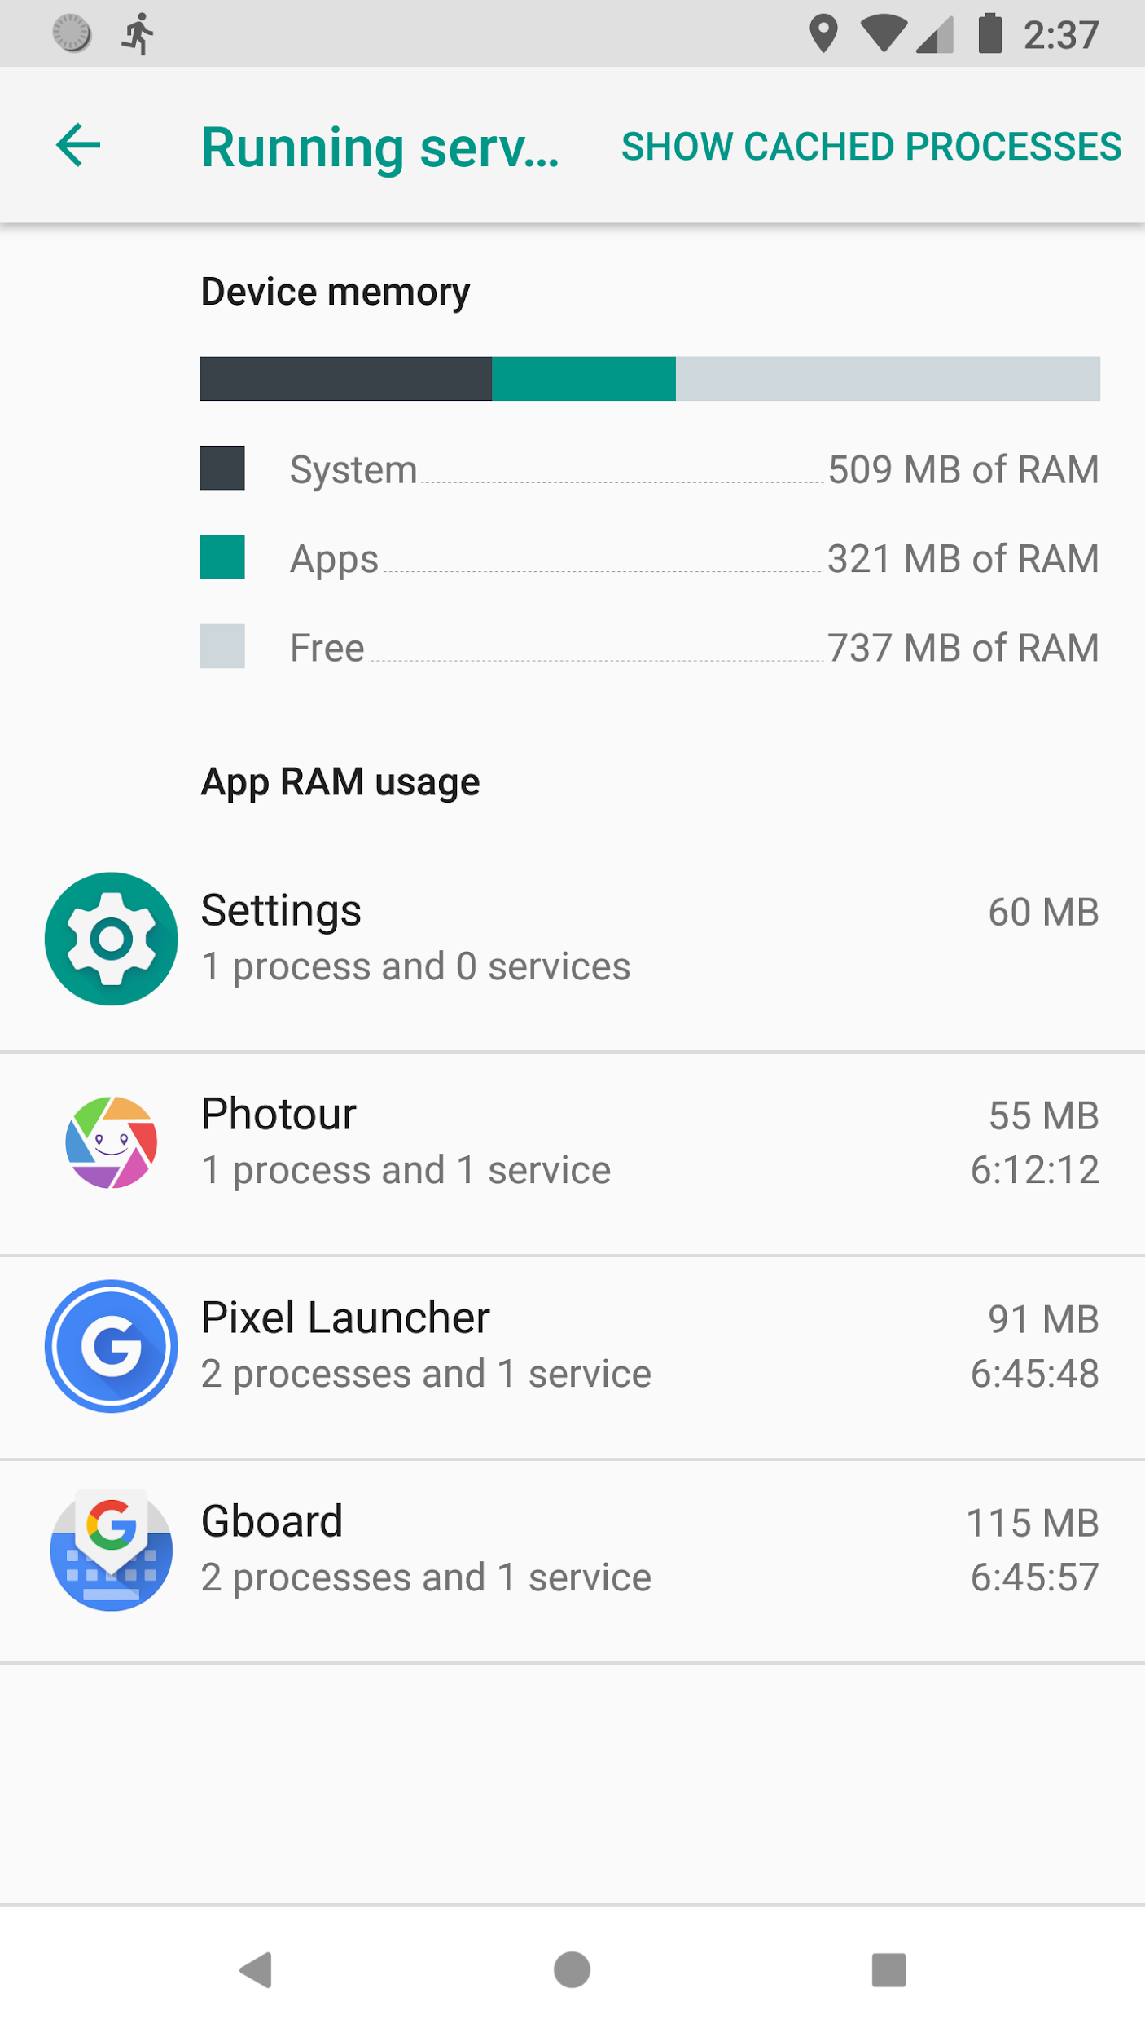
 | The service works the app is swiped out from the list of recent apps | 5 | • Foreground Service • It is discovered that IntentService will be stopped by the system when the application is swiped out form the list of recent apps. Therefore, the actual implementation used Service with foreground notification to keep the application process alive • Even though both the activity and fragment is destroyed, the service will continue running and receive location updates. This is because a foreground notification is placed when the service is started, and the system would not kill it under normal circumstances (excluding situations like memory pressure, low battery etc.) • The user is able to relaunch the application either by double tapping the notifcation or launch it normally through home screen. The user will then be brought back to the new visit page, with all the states retained (assume that the foreground service is not explicitly killed by the user in system settings). • The foreground service is able to run for longer than 6 hours when the application is swiped out from the recent apps and screen off (see Screenshots/Foreground Service).

1.1.3 Persisting data in a local database
 | all the data is persisted into a Room database | 5 | All data are saved into a Room database once a new visit has been completed (the user has pressed the stop button). The database consists of two tables: 1. Photos (Images taken or inserted by user, contain their location, sensor data, and time taken, and a foreign key to the associated visit) 2. Visits (Visit done by user, contain LatLng list of their whole path, the name of the visit, time taken) It is a one (Visit)-to-many (Photos) relationship. Photos table has a foreign key to Visits table.

1.1.4 Visually browse previews of photos
 | The app allows visualising previews of the pictures | 5 | Compressed version of images are used on both Photos and Visits views. For Photos view, all images are compressed to a square of 100x100, while Visits view is compressed to 360x240. It is also worth noting that the GridLayout of Photos view automatically re-adjust the number of columns on orientation change to fully utilise the screen size. (see Screenshots/Photos) The compressed images for photos page are obtained with the following methods: • If the image is of JPEG format, The ExifInterface is used to retrieve its thumbnail from JPEG images before being converted to 100x100 size • If the image is of other format, the code will run an AsyncTask to compress the image. An placeholder is placed on the ImageView until the AsyncTask is completed The system also uses DiskLruCache and LruCache as methods to speed up the thumbnail loading process. If the thumbnail is within the caches, it will use the cached version, else it will run the methods mentioned above. For the ListLayout in Visits Page, larger image is required to accomodate the larger size of the cards. As such, the original image is loaded before being compressed to size of 360x240.
 | The interface can show a grid of pictures sorted by date in ascending order | 5 | User is able to select the sorting method to sort by ascending date by pressing the sort button on the action bar. The images are categorized by their relative date as titles to allow clear distinction. (See Screenshots/Photos/photos_date_asc.png and Screenshots/Photos/photos_date_desc.png)
 | The interface can show a grid of pictures' thumbnails sorted by path (grid format) | 5 | User is able to select the sorting method to sort by visits by pressing the sort button on the action bar. The images are categorized by their relative visit name as titles to allow clear distinction. (See Screenshots/Photos/photos_sort_title.png)
 | Allows selecting a picture for further detailed inspection | 5 | When the user taps on the image, the user will enter another page, showing the full image. The user is prompted with a collapsed details sheet at the bottom, which use can pull up to view its details or interact with the image.(See Screenshots/Photos/photo_sheet_collapsed.png)
 | The interface is efficient and able to cope with a library of thousands of photos | 5 | Required note: explain in which way the app is efficient and would be able to cope with thousands of photos. Where is the efficiency?
 |  |  | • Lazy loading of photos: RecyclerView automatically handles the lazy loading, and only load the thumbnail for the image when it enter the view of the user. As such, only a small portion of the images have to be processed in a single time, preventing overloading the CPU. • Utilising ExifInterface thumbnails: Most JPEG images have embded EXIF thumbnail. As such, the thumbnail can be retrieved directly using ExifInterface (https://developer.android.com/reference/androidx/exifinterface/media/ExifInterface), thus saving the computation for compressing and producing the thumbnail ourselves. • Image bitmap compression: The images are also compressed to smaller sizes mentioned above to allow faster loading speed. • Memory cache & disk cache: Cache is used to store low quality thumbnails to allow faster loading. Thumbnails that have been generated will not be required to be generated again. Efficiency: The application is likely to crash if it was trying to perform heavy load task on the main thread (e.g. displaying an ultra high resolution photo). By utilising memory cache and disk cache with RecyclerView, every photos that is not visible to the user will be garbage collected. The application will only perform required computations, such as those that are requested by the user (e.g. click into thumbnail to show full-sized images).

1.1.5.Inspecting the details of a photo | When a photo thumbnail is clicked, a larger version of the photo is shown(if clicked further it should show the full size photo) | 5 | N.B. It is decided to not have another action that leads to a new fragment just to show the full-sized photo because it is trivial in our implementation. Since the photo can be zoom directly by double tap or pinch, the requirements to display full-sized photo and photo details can be combined to improve the user experience by reducing the number of steps required for task completion. When the user tapped into the thumbnail, the user will able to see the full-sized photo immediately (see Screenshots/Photos/photo_sheet_collapsed.png). When the user interacts with photo (e.g double tapping the image or pinch to zoom), the bottom sheet will automatically hide to allow better visibility (see Screenshots/Photos/photo_zoom.png and Screenshots/Photos/photo_sheet_hidden.png)
 | and the complete path trajectory is shown with all the pictures' locations | 5 | N.B. This is in the Visits view, not Photos view. Inspecting the photos details in Photos view will only show the location of that specified photo. The path trajectory can be seen in the visits page, where user can scroll through the images and view their relative position in the visit. This is not implemented in the Photos view because as it is considered that the path trajectory is related to the visit itself, while details in the photos page should only show information related to the photo. (see Screenshots/Visits/visit_scrolled.png)
 | The location of the current picture is highlighted (e.g. shown in a different colour) | 5 | Photos Page: The location of the picture is shown on the map with a marker. (see Screenshots/Photos/photo_sheet_expanded.png) Visits Page: All the images are shown as markers on the map. Current image is represented as a red large marker, while the other images are presented in blue markers. The red marker will have a higher Z-index than other markers for better clarity. (see Screenshots/Visits/visit_scrolled.png)
 | the last available sensors readings at time of taking the picture is shown(barometric pressure and temperature recorded from the phone’s sensors) | 5 | The sensor readings will be displayed, provided if the device has the required sensors, and have taken the values during the visit. The temperature can also change units to Celsius or Fahrenheit according to the user preference. (see Screenshots/photo_sensors_readings.png)

Additional Features | Have you implemented any feature that was not required by the brief but that show the quality of your solution? |  | Required note: describe the details of the optional feature and why you believe it is a valuable addition to the base implementation
 | Quality of the solution | 5 | • Comprehensive permissions rationale • Shows different permission rationale based on the permissions already granted / denied by the user (see Screenshots/Permissions) • Reason to add: New users might not understand why the application needs certain permissions to perform the tasks they want • Image bitmap downsampling • Images come in all shapes, sizes, and format. In many cases they are larger than required for a typical application user interface. • Reason to add: An image with a higher resolution than the screen density does not provide any visible benefit, but still takes up precious memory and incurs additional performance overhead due to additional on the fly scaling • User preferences 1. Dark theme (Night Mode) (see Screenshots/Dark Theme) • Reason to add: Improve readability of the interface in low-lighted environment 2. Temperature unit (°C or °F) • Reason to add: Improve user experiences by adding customisable options • Location photos map, with Markers clustering A Google Map showing all photos uploaded / taken as clusters when zoomed out, and shows the minified photo as clickable marker when zoomed in. • Reason to add: Enables the users to view all photos taken / uploaded around the world (see Screenshots/Photos/map_cluster.png and Screenshots/Photos/map_cluster.png) • Memory and Disk Cache (https://developer.android.com/topic/performance/graphics/cache-bitmap) Memory Cache: utilises the RAM, allows fast retrieval and reducing the amount of AsyncTask that is required to load the thumbnails. Disk Cache: uses storage to save the thumbnails, is slower and hence runs on a seperate thread, acting as a secondary cache to the Memory Cache. • Reason to add: Caching with purpose to speed up image loading. • LiveData for edit and delete visit (see Screenshots/Visits/visit_menu.png) Using LiveData and Observers to monitor the database c

Quality consideration
 | Quality of the interface (e.g. use of appropriate elements, no confusing views, etc.) | 5 | Required note: discuss the quality of your solution is it high quality? Why? 1. Simplicity: No unnecessary elements in the interface. Each element is responsible for a single action, and no two elements perform the same action. Minimal number of tasks required to achieve user goals. 2. Clarity: Clear and concise labels for buttons and actions. Icons are also used to express essential characteristics of an element (floating action button, options menu). 3. Consistency: Reuse fragments to maintain the same layout but with different content. By doing this, it would be easier for users to understand how things will work, and thus increase their efficiency improve user experience 4. Efficiency: Allow the user to perform tasks with speed and ease by lowering the number of clicks / actions required to achieve their goals 5. Responsiveness: Perform heavy computation tasks on background thread to prevent the fragments from loading slowly and reduce user experience
 | Appropriate use of views, transitions and navigation item | 5 | • Splash screen / Launch screen to replace the "blank screen" during application startup in the following cases: 1. Cold start: The system has not created the application process before this, the application must then start from scratch. In this case, a blank screen will be shown to the user, which is not a good practice in general as the user might think that the application has frozen. 2. Warm start: The application process has not been completely killed, but the activity need to be recreated. • Single activity application architecture • MainActivity.java is only used as the entry point of the application. Since the application will be using the same action bar (top toolbar) and the bottom navigation bar for all the views, it is not necessary to create a new activity and inflate the same container again • Navigation component is used as a framework to structure the application UI with fragments • Navigation Component of Android Jetpack (https://developer.android.com/guide/navigation) 1. Navigation graphs (see diagram on the right, https://developer.android.com/guide/navigation/navigation-design-graph) 2. Safe-args to pass data between fragment destinations (https://developer.android.com/guide/navigation/navigation-pass-data) 3. Fragment state is retained when navigating to other fragments • Data-binding (https://developer.android.com/topic/libraries/data-binding) to bind UI components in layouts to data sources in the application using a declarative format rather than programmatically • Handling changing orientation • Android destroys the existing fragment and activity on rotation and recreates them to match the current configuration. As such, preventive methods is needed to save and persist the state of the view. Variables are parsed into SavedInstanceState, then retrieved when the fragments are recreated. | 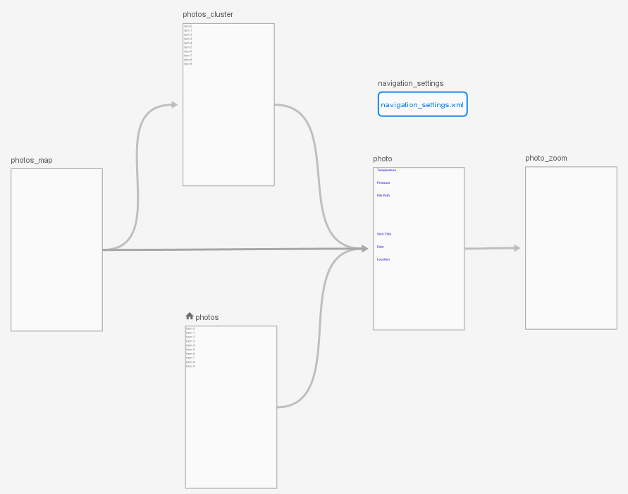

 | Portability (what versions of Android are you covering?) | 5 | • minSdkVersion: 23 (Android Marshmallow, 6) • targetSdkVersion: 29 (Android Q, 10) According to the distribution chart published by official Android website (https://developer.android.com/about/dashboards), targeting Android 6.0 and above will cover approximately 74.8% of Android devices.
 | any other | 5 | • Design philosophy: Only request and run the resources when required. Non-intrusive design Case 1: Our application do not ask for permissions directly when the user launches it. It only asks for permission when the user are trying to view photos, view visits, or start a new visit. • Location, camera, and storage permissions will be requested (if any of them has not been granted yet) when starting a new visit • Only storage permission will be requested (if permission has not been granted yet) when navigation to the Photos page • Only storage permission will be requested (if permission has not been granted yet) when navigating to the Visits page Case 2: Non-blocking UI thread to ensure the responsiveness of the application • Several heavy computation such as initial loading of the Google Maps, displaying large photos, andd retrieving data from the Room database will cause the UI thread to skip frames (i.e. freeze for about 1 seconds). These can all be mitigated by using the following techniques: 1. ViewStub, delayed loading of views (https://developer.android.com/training/improving-layouts/loading-ondemand). 2. Loading and performing the heavy task using Handler and AsyncTask • Handling deletion of images • As the images are saved in the external storage, there is a chance that user might delete it, intentionally or accidentally • In the event that an image has been deleted, the app will display the image as a grey placeholder, and does not crash. • User will still be able to view the details of the image. • Android 10 privacy changes • According to (https://developer.android.com/about/versions/10/privacy/changes#app-access-device-location), accessing location from the background now requires permission from the user. Therefore, the application will request for background permission if the device is running Android 10. (This is neither mentioned in the lect

Documentation
 | Code documentation: JavaDoc (in-line commenting, javadoc) | 5 | • Proper JavaDoc commenting including • @author to document the author of the class • @link to inserts an in-line link with the visible text label that points to the documentation for the specified package, class, or member name of a referenced class. • @code to display code snippet • @see to add a referrence to other part of the code • @param to add a parameter with the specified parameter-name followed by the specified description to the "Parameters" section. • @return to add a "Returns" section with the description text. • Inline comments to explain the usage of instance variables • Inline comments whenever the a block of code is not intuitive to understand for first time reader

Division of work
 | detail the division of work of each member. Use the same level of details described in the assignment text |  | N.B. All members in the group have contributed equally Zer Jun Eng (acb16zje) • Implementation of picture taking and photo uploading (1.1.1) • Implementing the visit tracker (background process) and sensor tracking (1.1.2) • Room database implementation (1.1.3) • Implementation of photo details inspection (1.1.4) • Location photos map, Markers clustering (Extra) • MVVM and LiveData implementation Jia Hua Ng (acb16jhn) • Room database implementation (1.1.3) • Implementation of photos and visits interface browsing (1.1.4) • Adding polyline to photos details (1.1.5) • Memory and Disk cache (Extra) • Implementation of user preferences (Extra) • MVVM and LiveData implementation

